DESCRIBING SHEET
DESCRIBING SHEET

 |  | STYLE | BROOKLYN JKT 2.0 M | REF | EIV4413 | FABRIC | DEFENDER OXFORD / DEFENDER LIBOLON / DEFENDER 2WAY

 |  | RANGE | CROSSOVER SERIES | SEASON | FW18/19 | SUPPLIER | PRIMA

Created on | 2017-04-27 | EIDER CONTACT | SYLVIE/MONIKA | SIZES | Men top: XXS - XS - S - M - L - XL - XXL - XXXL | STATUS | NEW

Revised on | comment 1st proto 28/06/2017

BASE PATTERN: | VH18H2 REGULAR VH18H1 ACTIVE |  |  |  |  | WEIGHT | 1180 G

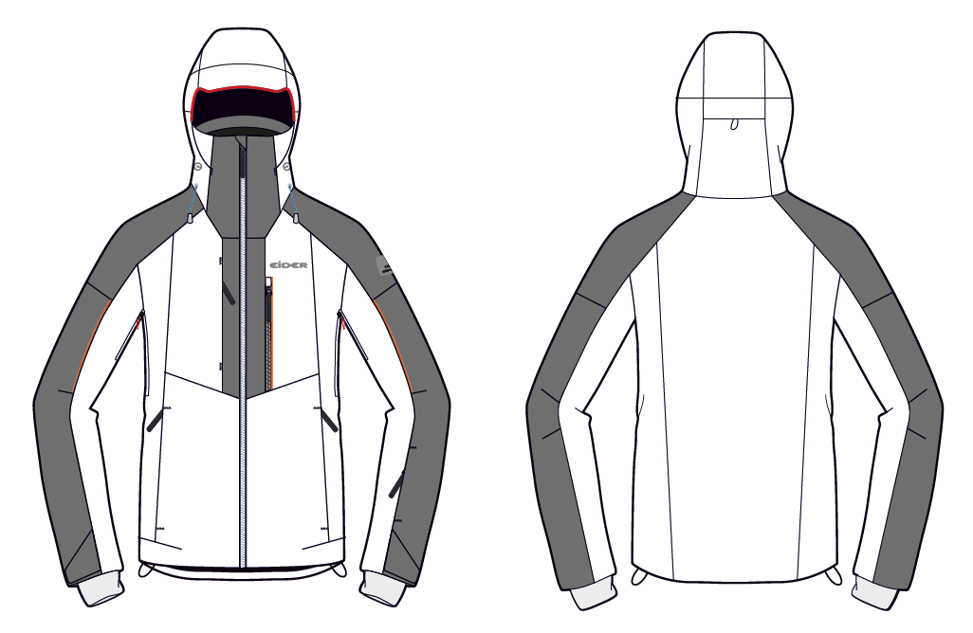
DEFENDER OXFORD
2mm shell piping at hood peak
Back hood adjustment under flap
DEFENDER LIBOLON
Removable hood with snaps + zipper + flap to hide zipper
Same Plug In design as FW1718
1 adjustment at back
2MM PIPING
DEFENDER 2WAY

SEALON TAPE
Defender logo: now placed on the CF stormflap
NEW EIDER LOGO
CF opening with visible zipper + stormflap with webbing
NEW EIDER RUBBER PLATE
NO VISIBLE TOPSTITCHINGS

Zipped chest pocket under flap
2mm piping
Sealon tape
Sealon tape
2mm piping

Airvents under single piping
Chest pocket with visible zip + Sealon tape on 1 side only

2mm piping

Zipped hand pockets under flap
Zipped skipass pocket under flap

Cuff flaps with velcro
not encrusted
Lycra Cuffs
Honeycomb cuffs without thumbholes
Bottom hem adjustments

COLOURWAYS
COLOUR RANGE

STYLE |  | BROOKLYN JKT 2.0 M |  |  | REF |  | EIV4413 |  | FABRIC | DEFENDER OXFORD / DEFENDER LIBOLON / DEFENDER 2WAY

RANGE |  | CROSSOVER SERIES |  |  | SEASON |  | FW18/19 |  | SUPPLIER | PRIMA

COLOUR CODE | STATUS |  | COLOUR NAME |  |  | QT A LANCER
6623 |  |  | DARK NIGHT
7391 |  |  | RAVEN
8635 |  |  | DARK WINE

 |  |  |  |  |  | 0

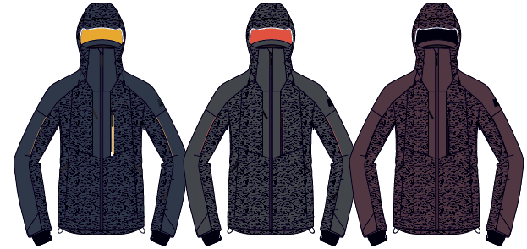

CANCELLED

 |  | DARK NIGHT

 |  |  |  | RAVEN
 |  |  |  |  |  |  |  | DARK WINE

LINING
LINING

STYLE | BROOKLYN JKT 2.0 M | REF | EIV4413 | FABRIC | DEFENDER OXFORD / DEFENDER LIBOLON / DEFENDER 2WAY

RANGE | CROSSOVER SERIES | SEASON | FW18/19 | SUPPLIER | PRIMA
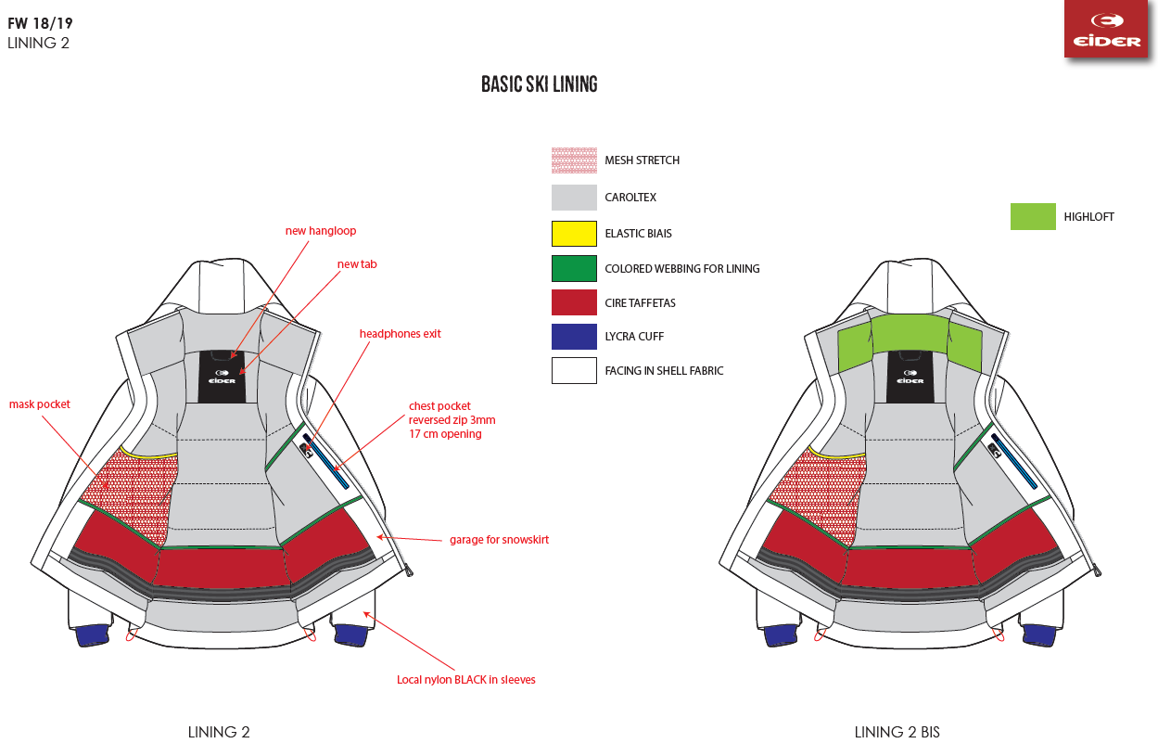
THERMO HONEYCOMB CUFF

ACCESSORIES
ACCESSORIES

STYLE | BROOKLYN JKT 2.0 M |  |  | REF | EIV4413 |  |  |  | FABRICS |  |  | DEFENDER OXFORD / DEFENDER LIBOLON / DEFENDER 2WAY

RANGE | CROSSOVER SERIES |  |  | SEASON | FW18/19 |  |  |  | SUPPLIER |  |  | PRIMA

PICTURE |  | REF. | PLACE |  |  | QTY | COLOURS
 |  |  |  |  |  |  | DARK NIGHT | RAVEN | DARK WINE | 0 | 0
 |  |  |  |  |  |  | 6623 | 7391 | 8635 | 0000 | 0000
ZIPPERS
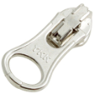 |  | WATERPROOF
 |  | VISLON ZIP
 |  | 5MM | FRONT OPENING |  |  | 1 | DARK NIGHT | BLACK | DARK WINE
 |  | AUTOLOCK, OPEN END |  |  |  |  | YKK 919 | YKK 580 | YKK 864
 |  | 1 WAY, DALH SLIDER
 |  | SUPPLIER : YKK
 |  | WATERPROOF
 |  | VISLON ZIP
 |  | 3MM | CHEST POCKET |  |  | 1 | DARK NIGHT | BLACK | BLACK
 |  | AUTOLOCK, CLOSE END |  |  |  |  | YKK 919 | YKK 580 | YKK 580
 |  | 1 WAY, DALH SLIDER
 |  | SUPPLIER : YKK

 |  | COIL ZIP
 |  | 3MM | HAND POCKETS |  |  | 2 | DARK NIGHT | BLACK | DARK WINE
 |  | AUTOLOCK, CLOSE END | SKI PASS POCKET |  |  | 1 | YKK 169 | YKK 580 | YKK 864
 |  | 1 WAY, DALH SLIDER | CHEST POCKET |  |  | 1
 |  | SUPPLIER : YKK

 |  | COIL ZIP
 |  | 3MM | AIRVENTS |  |  | 2 | DARK NIGHT | BLACK | DARK WINE
 |  | NON LOCK, CLOSE END | SLIDER AT BOTTOM WHEN CLOSED |  |  |  | YKK 169 | YKK 580 | YKK 864
 |  | 1 WAY, DFBW SLIDER
 |  | SUPPLIER : YKK

 |  | REVERSED COIL ZIP
 |  | 3MM | INNER POCKET |  |  | 1 | BLACK | BLACK | BLACK
 |  | NON LOCK, CLOSE END |  |  |  |  | YKK 580 | YKK 580 | YKK 580
 |  | 1 WAY, DFBW SLIDER
 |  | SUPPLIER : YKK

 |  | COIL ZIP
 |  | 3MM | REMOVABLE HOOD |  |  | 1 | DARK NIGHT | BLACK | DARK WINE
 |  | AUTOLOCK, OPEN END | 12 CM |  |  |  | YKK 169 | YKK 580 | YKK 864
 |  | 1 WAY, DA SLIDER
 |  | SUPPLIER : YKK
OTHER TRIMS

 |  | RUBBER PULLER |  |  |  |  | DARK NIGHT | BLACK | BLACK
 |  | Ref: EIW18-03 | CENTER FRONT OPENING |  |  | 1

 |  | PULLER RUBBER | HAND POCKETS |  |  | 2 | DARK NIGHT | BLACK | BLACK
 |  | Ref: EIS19-05 | CHEST POCKET |  |  | 1
 |  | Supplier : Dragon times | SKIPASS POCKET |  |  | 1

final length = 4cm
 |  | DRAWCORD
 |  | Ref: EIS15U-XMCO01 | AIRVENTS |  |  | 2 | DARK NIGHT | BLACK | BLACK
 |  | Supplier: YF Zipper | INNER POCKET |  |  | 1

 |  | NOT ELASTIC
0,2 cm
 |  | DRAWSTRING OUTDOOR
 |  | Ref: EW026 | HOOD |  |  | 1 | DARK NIGHT | BLACK | BLACK
 |  | Supplier: YF Zipper | BODY HEM |  |  | 1

 |  | ELASTIC

 |  | CORD LOCK
 |  | Ref: EIW17-02 | HOOD |  |  | 2 | DARK NIGHT | BLACK | BLACK
 |  | Supplier: Dragon Times

 |  | Use with 2mm drawstring

 |  | RUBBER STOPPER
 |  | Ref: EIS15U-XMSTP01
 |  | Supplier: Unitex | BACK HOOD |  |  | 1 | DARK NIGHT | BLACK | BLACK
 |  | 2cm x 1cm | BODY HEM |  |  | 2

 |  | COLORED EYELET
 |  | Ref: EIS15U-XMOEI01
 |  | Supplier: Unitex | BODY HEM |  |  | 4 | DARK NIGHT | BLACK | BLACK
 |  | 9mm

 |  | BIG EYELET | BACK HOOD |  |  | 1 | DARK NIGHT | BLACK | BLACK
 |  | 12MM
 |  | LOCAL SOURCING

 |  | COLORED PEARL
 |  |  | BACK HOOD |  |  | 1 | DARK NIGHT | BLACK | BLACK
 |  | Supplier: Unitex | BODY HEM |  |  | 2

 |  | COLORED WEBBING
 |  | Ref: EIS15U-XMTRE01 |  |  |  |  | DARK NIGHT | BLACK | BLACK
 |  | Supplier: YF Zipper | BACK HOOD |  |  | 1
 |  | 0,5cm wide | BODY HEM |  |  | 2
 |  | TO HOLD STOPPERS

 |  | EIDER HANGLOOP
 |  | Ref : EIW18-01 | HANGLOOP AT COLLAR |  |  | 1 | DARK NIGHT/ BLACK/ DARK NIGHT | BLACK/ RAVEN/ MISTY GREY | BLACK/ RAVEN/ MISTY GREY
 |  | Supplier : 'YF ZIPPER
 |  | 4mm diameter

 |  | SOFT WEBBING FOR LINING
 |  | Ref:EIW17-15 | ABOVE CHEST POCKET |  |  | 1
 |  | Supplier: DRAGON TIMES | ABOVE SNOWSKIRT |  |  | 1 | DARK NIGHT | BLACK | BLACK
 |  | 1CM

 |  | VELCRO HOOK + VELVET
 |  | LOCAL SOURCING | CUFFS |  |  | 2 | TONE/TONE | TONE/TONE | TONE/TONE

 |  | NO SLIP ELASTIC 25MM
 |  | SILICONE | SNOWSKIRT |  |  | 1 | BLACK | BLACK | BLACK
 |  | Ref: EIS17-08
 |  | Supplier: BENEFIT

 |  | SMALL PLASTIC SNAP | REMOVABLE HOOD |  |  | 4F+4M
 |  | Ref : EIW16-16 | SNOWSKIRT OPENING |  |  | 2F+4M | DARK NIGHT | BLACK | BLACK
 |  | Supplier : UNITEX
 |  | 12MM | SNOWSKIRT GARAGE (CHECK MY COMMENTS FOR DETAILS) |  |  | 2F+2M

 |  | LARGE ELASTIC | FOR PHONE POCKET |  |  | 3 | DARK NIGHT | BLACK | BLACK
 |  | Ref: EW17-14
 |  | Supplier: WILSON

 |  | LYCRA BIAS UNICOLOR
 |  | Ref: A00A-L11133/20 | GOGGLE POCKET |  |  | 1 | DARK NIGHT | BLACK | BLACK
 |  | Supplier: Wilson

 |  | ELASTIC WEBBING 10MM | GOGGLE CLEANER |  |  | 1 | BLACK | BLACK | BLACK
 |  | 18CM FININSHED LENGHT
 |  | LOCAL SOURCING

 |  | RUBBER EARPHONE HOLE | INNER POCKET |  |  | 1
 |  | Ref: PA-A2 MP3 RUBBERT B |  |  |  |  | BLACK | BLACK | BLACK
 |  | Supplier: YF ZIPPER

LABELS
 |  | NEW RUBBER PLATE Ref: EIW18-14 Supplier : Clotex 35 MM x 35 MM | SEWN ON LEFT SHOULDER |  |  | 1

 |  |  |  |  |  |  | DARK NIGHT | BLACK | BLACK

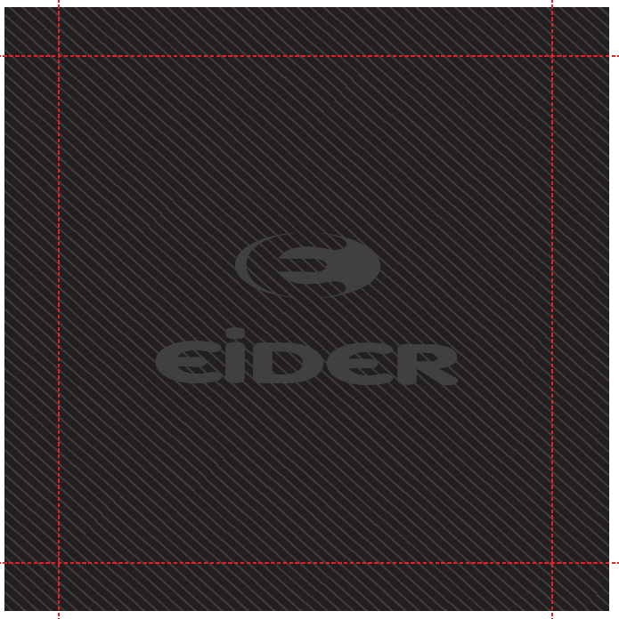
 |  | WOVEN BIG LABEL
 |  | Ref: EIW18-11 | SEWN INSIDE BACK |  |  | 1 | BLACK | BLACK | BLACK
 |  | Supplier: SML
 |  | 120x120mm

 |  | NEW
 |  | SIZE WOVEN LABEL MMG
 |  | ALPHA MEN TOP | AT THE HANGLOOP AT COLLAR |  |  | 1 | BLACK | BLACK | BLACK
 |  | Supplier: SML
 |  | Ref: LWS18-01
 |  | WITH RN + CA NUMBERS


 |  | CANADIAN LABEL | INSIDE LEFT |  |  | 1 | WHITE | WHITE | WHITE
 |  | FOR PADDING
 |  | LOCAL SOURCING

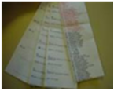
 |  | SATIN CARE LABEL
 |  | Ref Label 1: SMLCL1 | INSIDE LEFT |  |  | 1
 |  | Ref Label 2: SMLCL2 |  |  |  |  | WHITE | WHITE | WHITE
 |  | Ref Label 3: SMLCL3
 |  | Supplier: SML
HANGTAGS
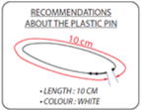
 |  | PLASTIC PIN
 |  | local sourcing | TO ATTACH THE HANGTAG |  |  | 1
 |  | TO BE CONFIRMED
 |  | 10CM, WHITE

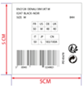 |  | BIG
 |  | GENCODE STICKER
 |  | local sourcing | STICKED AT BACK OF CORPORATE HANGTAG |  |  | 1

 |  | 5cm x 5cm

 |  | EID_1_Corporate (EIDHT01 / Orli : 396031 ) | POSITION 1 |  |  | 1
 |  | Supplier:

 |  | ENGAGEMENT HANGTAG
 |  |  | POSITION 2 |  |  | 1
 |  | EID_2_LowImpact (EIDHT024 / 396070 :)
 |  | Supplier: Triple Star

 |  | FABRIC HANGTAG
 |  | EID_3_Defender10/10_FST (EIDHT0303 / 396050 : ) | POSITION 3 |  |  | 1
 |  | Supplier: Triple Star

ARTWORKS
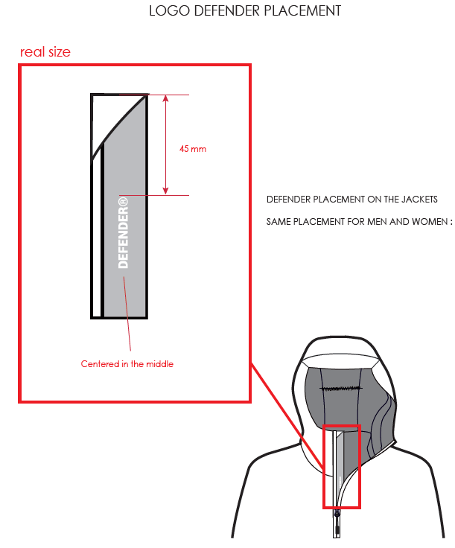
ARTWORKS

STYLE | BROOKLYN JKT 2.0 M | REF | EIV4413 | FABRIC | DEFENDER OXFORD / DEFENDER LIBOLON / DEFENDER 2WAY

RANGE | CROSSOVER SERIES | SEASON / SAISON | FW18/19 | SUPPLIER | PRIMA

Defender Logo placement on stormflap :

REMARKS (2)
REMARKS

STYLE |  |  | BROOKLYN JKT 2.0 M |  |  |  | REF |  |  | EIV4413 |  | FABRIC | DEFENDER OXFORD / DEFENDER LIBOLON / DEFENDER 2WAY

RANGE |  |  | CROSSOVER SERIES |  |  |  | SEASON |  |  | FW18/19 |  | SUPPLIER | PRIMA

DATE | MADE BY |  |  | COMMENTS

 |  |  |  | FW18/19

2018-01-22 |  | RIM |  | Comments on SMS |  | 銷售樣評語

 |  |  |  | BP0 CANCELLATION
 |  |  |  | 8635 | DARK WINE | This color is cancelled for bulk |  |  | 大貨取消#8635 DARK WINE色組.

 |  |  |  | FABRICS
 |  |  |  | * Hood : the fit seams not okay on SMS. Please change the padding in hood to be 60G and respect the measures of size spec
 |  |  |  | 銷樣帽形不好, 帽棉改用60G(原為100G), 尺寸需遵循尺寸表規定修正.
 |  |  |  | TRIMS & LABELS
 |  |  |  | * New small rubber puller Ref. EIS19-05 on hand pockets, ski pass pocket and chest pocket instead of the big rubber puller
 |  |  |  | 側袋,袖袋,胸袋 皆改用新版橡膠拉片#EIS19-05.
 |  |  |  | * Size label must be inserted under the woven label . Same position as SMS |  |  |  |  |  |  | 尺寸標需夾車在主標底端中心,同銷售樣做法.

 |  |  |  | Dark night col.6623 version : #6223 DARK NIGHT 色組: * CF zipper color is too bright on SMS. Please respect the zipper color YKK 919 T/T especially for the zipper teeth * Chest pocket : change to be T/T dark night YKK 919 same as CF zipper
 |  |  |  | 銷樣的門襟拉鍊顏色太淺, 尤其是拉鍊齒, 請務必要使用YKK#919. 穿者左前胸拉鍊改用 dark night YKK#919 (同門襟拉鍊色)
 |  |  |  | * Rubber plate on shoulder : we will use the same rubber plate for Men and Women for bulk. Same reference as the collection's small rubber plate ref. EIW18-14 with new quality/ white Eider logo on the inside now/ same background colors as latest version/ supplier : Clotex/ new dimensions : 3,5x3,5CM
 |  |  |  | 大貨不分男/女款式將統一使用同樣的橡膠臂章, #EIW18-14,新品質,底色同舊版,但Eider logo改為白色, 供應商:Clotex, 尺寸:3.5x3.5cm

 |  |  |  | MEASURES
 |  |  |  | * Collar and neckline shapes are not okay on SMS : please repect the size spec 銷樣的領形,領圍尺寸很差, 請遵循尺寸表規定修正. * Measures : please respect the size spec especially for back length, sleeves lengths and collar measures 所有尺寸請務必要遵循尺寸表規定, 尤其是後身長,袖長,領子等尺寸

 |  |  |  | WORKMANSHIP
 |  |  |  | * Inside pocket is too low : please move up by 10cm |  |  |  | 穿者右內貼袋太低, 請往上加大10cm
 |  |  | ★ | * Velcro on cuff flaps : please insert the cuff flap inside the other cut of the inside sleeves (on under arm line)
 |  |  |  | 銷售樣的袖絆位置不對: 袖絆應該夾車在袖下剪接. (請見如下照片)
 |  |  |  | * Please make a padding on the inside back of jacket same as BROOKLYN JKT M EIV4044 from FW1718 with regular padding 150G (for a puffy effect) instead of polydown
 |  |  |  | 身裡棉改用150g(原為100g) 以增加膨度

 |  |  |  | CONCLUSION
 |  |  |  | Please send us 2 SSS in size S and XL |  |  | 請提供尺寸套樣本, S 和 XL號

 |  |  |  | 銷售樣的紬絆車縫位置不對. |  |  |  |  | 正確應夾車在袖下剪接:
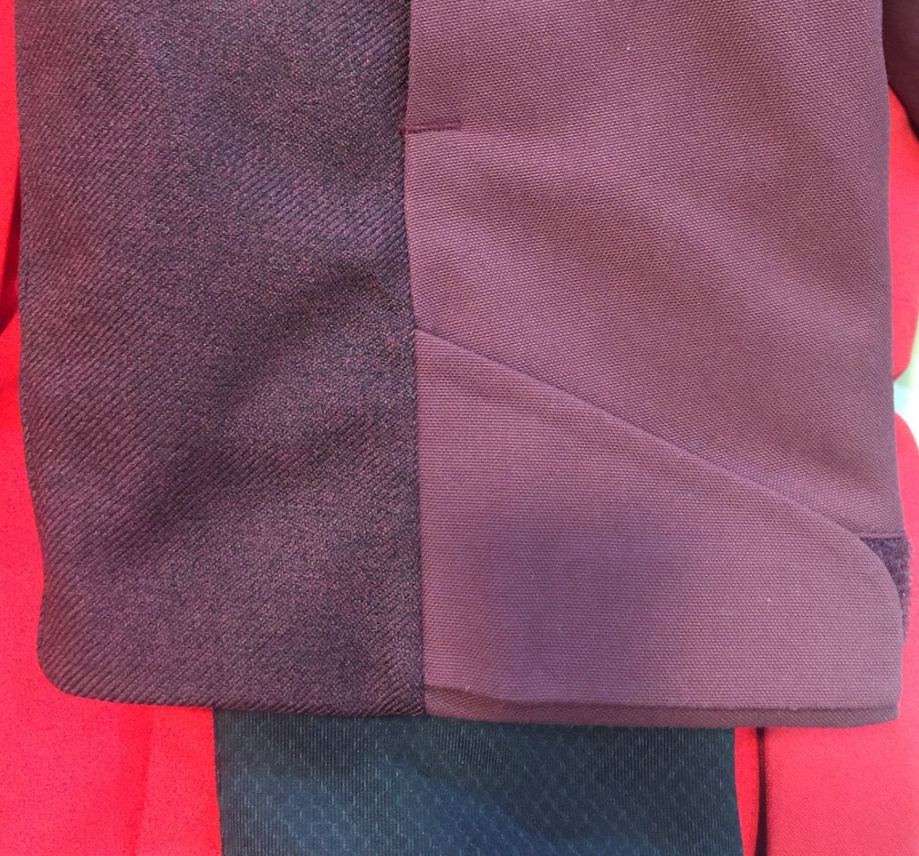
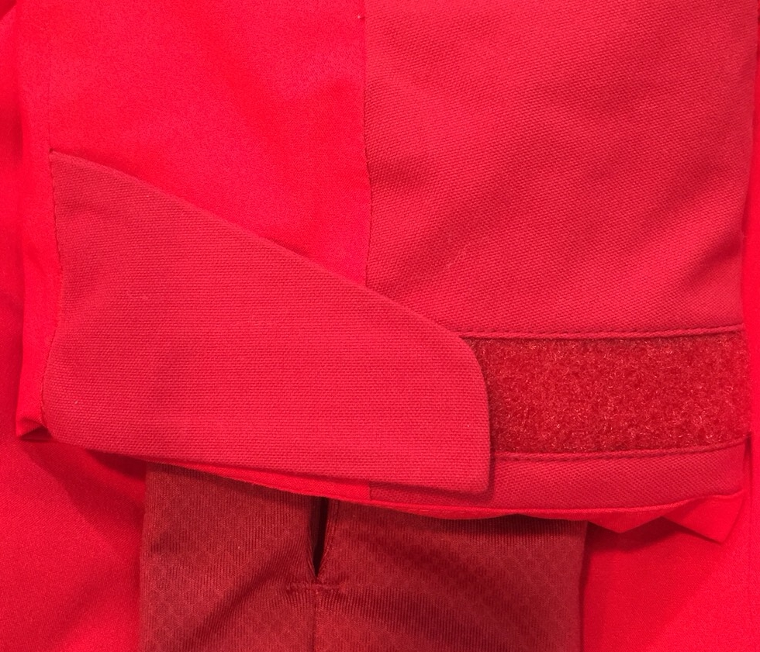
正確做法:
錯誤做法:

REMARKS
REMARKS

STYLE |  |  | BROOKLYN JKT 2.0 M |  |  |  | REF | EIV4413 | FABRIC | DEFENDER OXFORD / DEFENDER LIBOLON / DEFENDER 2WAY

RANGE |  |  | CROSSOVER SERIES |  |  |  | SEASON | FW18/19 | SUPPLIER | PRIMA

DATE | MADE BY |  |  | COMMENTS

 |  |  |  | FW18/19

2017-04-28 | Monika |  |  | COMMENTS ON LAUNCHING

 |  |  |  | New style. Same design as EIV4339 NEW RIDGE JKT M with the following changes:
 |  |  |  | - Different fabric
 |  |  |  | - Velcro at cuffs is not embedded
 |  |  |  | - Only 1 adjustment at back hood
 |  |  |  | - Different lining

 |  |  |  | Please make a 1st proto with correct fabric mix

2017-06-20 | Rim |  |  | COMMENTS ON 1st PROTO
 |  |  |  | FABRICS
 |  |  |  | * Storm flap + upper collar : must be in shell 1
 |  |  |  | 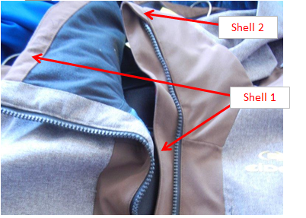 * Zipper garage : in shell 2 on the outside only
 |  |  |  | * Cuffs : in honeycomb biface not Lycra/ Check the fabric sheet for more details
 |  |  |  | * inside collar : must be in DOWNPROOF PLANET from CAROLTEX / Please respect the FABRIC sheet
 |  |  |  | * Collar padding : increased > must be 140G on 2nd proto
 |  |  |  | TRIMS & LABELS
 |  |  |  | * Defender Logo placement : confirmed. check the artwork page for details
 |  |  |  | * Sealon tape : cancelled and replaced by a 2mm piping.
 |  |  |  | * New EIDER rubber plate on shoulder + New Eider Rubber Logo on chest
 |  |  |  | MEASUREMENTS
 |  |  |  | * Please respect better the SIZE SPEC especially for measures MCH and VHA / Refer to the SIZE SPEC for more details
 |  |  |  | * PATTERN BASE : Pattern base VH18H2 that we used on 1st proto will be replaced by pattern base VH18H1 for a smaller width. Check the updated Size Spec and the pattern file VH18H1 that I sent you

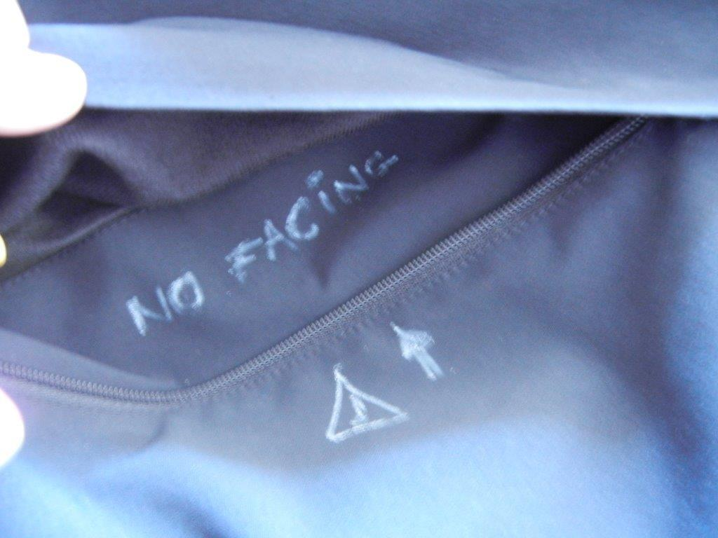
 |  |  |  | WORKMANSHIP
 |  |  |  | 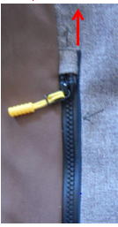 * Hood flap : increase the hood flap so it arrives until the front edges of the hood inside the hood garage * Front cut out line moves up by 2cm / So : - Visible chest pocket moves up by 2cm and must measure 22cm - Right under flap chest pocket moves up also the same way
 |  |  |  | * Pockets : REMINDER : no inner facing when we have an outside flap
 |  |  |  | * Elbow dart : must be moved as noted on proto 1 of RIDGE JKT M EIV4313
 |  |  |  | FINISHING
 |  |  |  | * Bartacks : must be vertical not horizontal for a better aesthetic effect / in the same direction as cutting
 |  |  |  | * Cuff flaps : No topstitching
 |  |  |  | * Inside hood tunnel : cancel the bartacks
 |  |  |  | CONCLUSION
 |  |  |  | * No need for a second because it is the same shape as RIDGE EIV4339 / So RIDGE's proto 2 comments will be valid for this style

2017-07-17 | Chiara |  |  | COMMENTS ON 1st PROTO / ASIA MEETING
 |  |  |  | FABRIC
 |  |  |  | Padding : for the collar please to use 120G PM quality padding + for the body, hood and sleeves use 100G PM quality padding. See the fabric page for the details.

 |  |  |  | TRIMS & LABELS
 |  |  |  | Big woven label :big woven label reference change. See the accessories page for the details.

2017-08-10 | Rim |  |  | Comments on 2nd proto
 |  |  |  | SAME AS RIDGE JKT 2.0 M EIV4339

2017-09-07 |  | RIM |  | ANNECY MEETING + GENERAL Comments
 |  |  |  | * We cancel the phone elastic in inner pocket
 |  |  |  | * Only one bartack on the middle of hood tunnel
 |  |  |  | * Please follow the approved workmanship for velcro on cuffs
 |  |  |  | * Please make sur to follow the transfer/ fixing indications of the sealon tape so it would be well fixed
 |  |  |  | 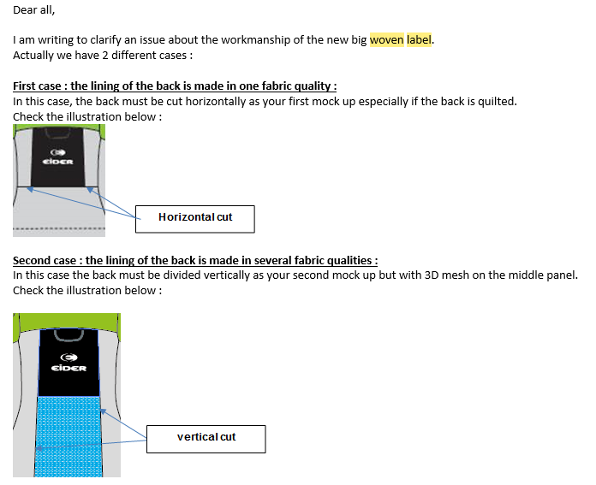 * Big woven label assembling : horizontal cut outs if we have only 1 fabric on middle back lining and vertical cut outs if we have 3D mesh on middle lining. Please refer to the email below that I sent you before :
 |  |  |  | * Bartacks : must be vertical not horizontal
 |  |  |  | * Please align the buttonhole on lining with rubber hole for earphones and make it larger so we can take out the earphones wire easily
 |  |  |  | * Please replace the pearl EIS15U-XMPER01 by the plastic pearl EIS15U-XMPER02

 |  |  |  | CONCLUSION
 |  |  |  | OK SMS according to the comments above

2018-01-22 |  | RIM |  | Comments on SMS

 |  |  |  | BP0 CANCELLATION
 |  |  |  | 8635 | DARK WINE | This color is cancelled for bulk

 |  |  |  | FABRICS
 |  |  |  | * Hood : the fit seams not okay on SMS. Please change the padding in hood to be 60G and respect the measures of size spec
 |  |  |  | TRIMS & LABELS
 |  |  |  | * New small rubber puller Ref. EIS19-05 on hand pockets, ski pass pocket and chest pocket instead of the big rubber puller
 |  |  |  | * Size label must be inserted under the woven label . Same position as SMS
 |  |  |  | Dark night col.6623 version : * CF zipper color is too bright on SMS. Please respect the zipper color YKK 919 T/T especially for the zipper teeth * Chest pocket : change to be T/T dark night YKK 919 same as CF zipper
 |  |  |  | * Rubber plate on shoulder : we will use the same rubber plate for Men and Women for bulk. Same reference as the collection's small rubber plate ref. EIW18-14 with new quality/ white Eider logo on the inside now/ same background colors as latest version/ supplier : Clotex/ new dimensions : 3,5x3,5CM
 |  |  |  | MEASURES
 |  |  |  | * Collar and neckline shapes are not okay on SMS : please repect the size spec * Measures : please respect the size spec especially for back length, sleeves lengths and collar measures

 |  |  |  | WORKMANSHIP
 |  |  |  | * Inside pocket is too low : please move up by 10cm
 |  |  |  | * Velcro on cuff flaps : please insert the cuff flap inside the other cut of the inside sleeves (on under arm line)
 |  |  |  | * Please make a padding on the inside back of jacket same as BROOKLYN JKT M EIV4044 from FW1718 with regular padding 150G (for a puffy effect) instead of polydown

 |  |  |  | CONCLUSION
 |  |  |  | Please send us 2 SSS in size S and XL

JACKET SKETCH MEASUREMENTS
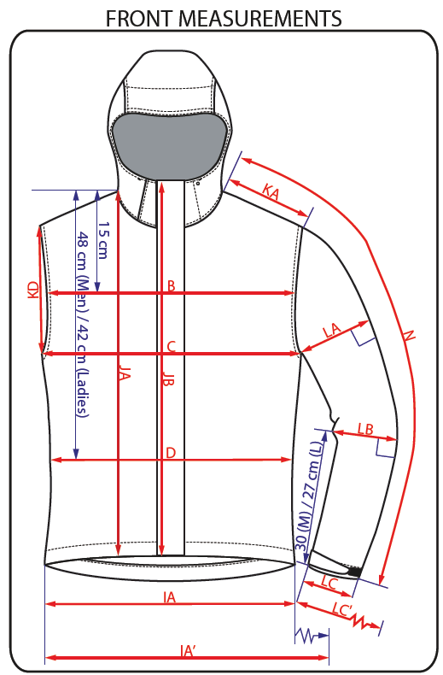
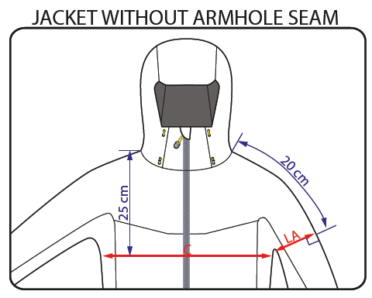
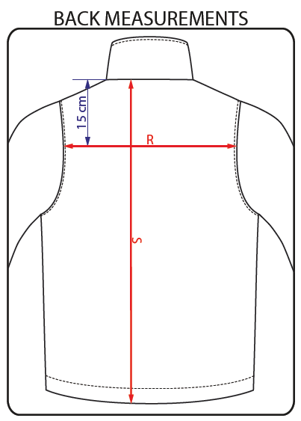
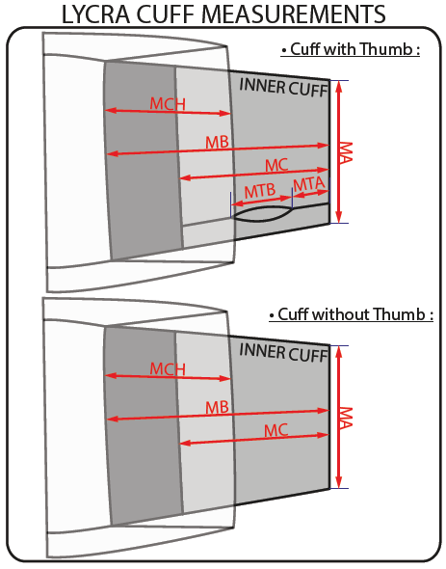
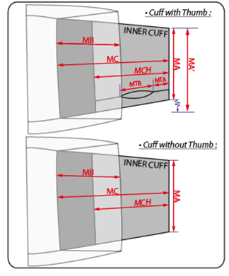
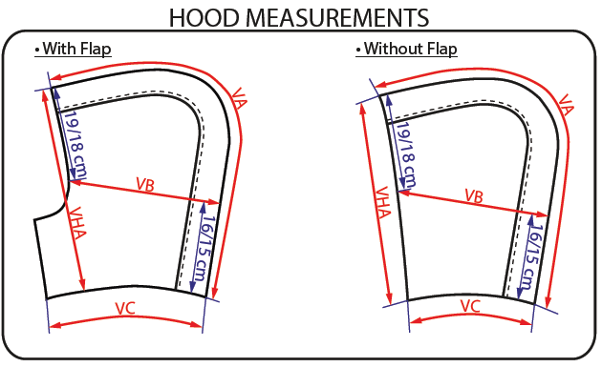
JACKET SKETCH MEASUREMENTS

